A. Organization Chart
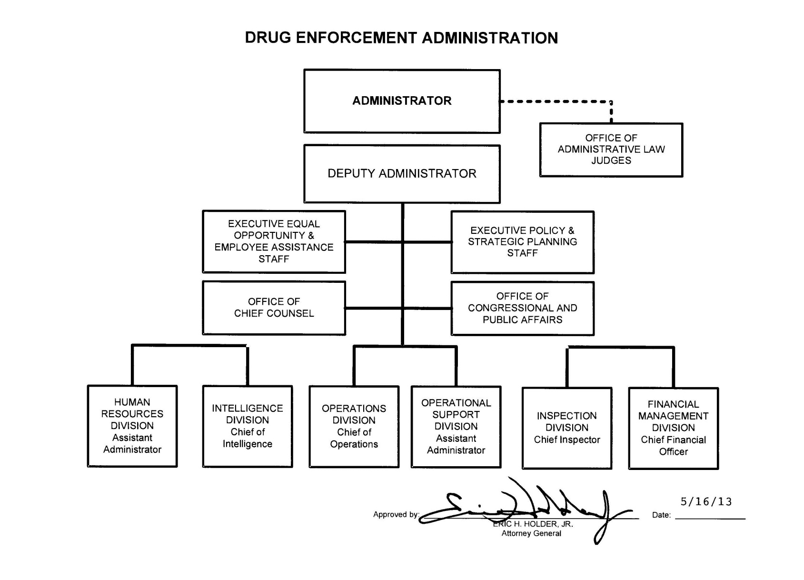
 | end of line
 | end of line
 | end of line
 | end of line
 | end of line
 | end of line
 | end of line
 | end of line
 | end of line
 | end of line
 | end of line
 | end of line
 | end of line
 | end of line
 | end of line
 | end of line
 | end of line
 | end of line
 | end of line
 | end of line
 | end of line
 | end of line
 | end of line
 | end of line
 | end of line
 | end of line
 | end of line
 | end of line
 | end of sheet

FY 2011 CJ Submission

